Analysis
Column K is the sum of values for each dwelling type
This table compares your original values with proposed new values, and the initial simulation results
DWELLING TYPE | TOTAL | FIRST DIVISION |  | SECOND DIVISION |  | THIRD DIVISION |  | FOURTH DIVISION |  | Count |  | NEDUM DATA | REVISED DATA | NEDUM SIMULATION |  | Formal private | Informal in BY | Inform. Settlement | Formal subsidised
House or brick/concrete block structure on a separate stand or yard or on a farm | 1068077 | 821028 | Formal | 704685 | Houses | 510,427 | Market | 420,593 | Freestanding | 601932 | Formal private | 550,000 | 626,770 | 670,000 | NEDUM DATA | 550,000 | 80,000 | 95,000 | 305,000
Traditional dwelling/hut/structure made of traditional materials |  | 247049 | Informal | 116343 | Apartments | 194,258 | RDP* | 89834 | In complex | 3696 | Informal in BY | 80,000 | 91,132 | 105,000 | REVISED DATA | 626,770 | 91,132 | 143,765 | 194,258
Flat or apartment in a block of flats |  |  |  |  |  |  |  |  |  | 106133 | Inform. Settlement | 95,000 | 143,765 | 80,000 | NEDUM SIMULATION | 670,000 | 105,000 | 80,000 | 220,000
Cluster house in complex |  |  |  | 143765 | Inf. settlement | 106133 | Flats in block of flats |  |  | 12919 | Formal subsidised | 305,000 | 194,258 | 220,000
Townhouse (semi-detached house in a complex) |  |  |  | 91132 | Backyard | 10210 | Flat attached to house |  |  | 15418
Semi-detached house |  |  |  | 12152 | Other |  |  |  |  | 74416 |  | 1,030,000 | 1,055,925 | 1,075,000
House/flat/room in backyard |  |  |  |  |  | 143765 | Informal settlement |  |  | 16216
The aggregate fit is generally improved based on revised values. The most significant difference is reduction in RDP and increase in informal settlement DUs
Informal dwelling (shack; in backyard) |  |  |  |  |  |  |  |  |  | 74916
This table shows how the various dwelling types should be nested. The Sankey diagram below helps illustrate as well.
Informal dwelling (shack; not in backyard; e.g. in an informal/squatter settlement or on a farm) |  |  |  |  |  | 16216 | Brick structure in backyard |  |  | 143765
Room/flatlet on a property or larger dwelling/servants quarters/granny flat |  |  |  |  |  | 74916 | Shack in backyard |  |  | 10210
Caravan/tent |  |  |  |  |  |  |  |  |  | 601
Other |  |  |  |  |  | 12152 | Other |  |  | 7855
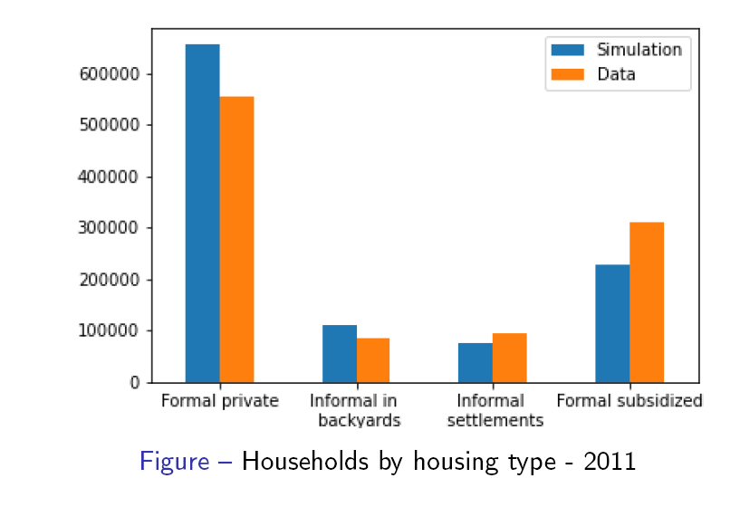

This is an estimate on number of RDP houses based on a variety of sources, incl:
- analysis of deeds data as reported by CAHF
- cadastral information from City
- Community Survey 2016
Cape Town's valuation roll (2018) recognises 82 000 RDP properties | 82000
WC DHS has recorded 110 000 RDP properties | 110000
CAHF estimated in 2018 (based on Deeds registry data) 191 877 government-sponsored properties handed over between 1994 and 2018, which may include old township stock built before 1994 | 191877
According to CS2016, 35% of households living in formal freestanding houses live in RDP. | 246,640
Average of estimates (2016/2018) | 219,258
Adjustment to 2011 | 194,258

FOR SANKEYMATIC.COM
Households [821028] Formal
Households [247049] Informal
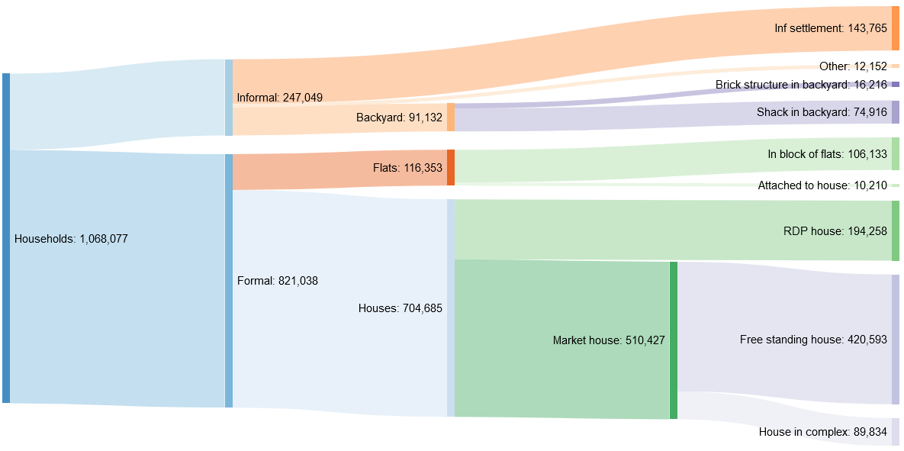
Formal [704685] Houses
Formal [116353] Flats
Informal [143765] Inf settlement
Informal [91132] Backyard
Informal [12152] Other
Houses [510427] Market house
Houses [194258] RDP house
Flats [106133] In block of flats
Flats [10210] Attached to house
Backyard [16216] Brick structure in backyard
Backyard [74916] Shack in backyard
Market house [420593] Free standing house
Market house [89834] House in complex

 |  |  |  |  |  |  |  |  | *estimate

